Sheet0
Item | Part number | Spec | Package | Designators | Quanity used
12 | ECA-1CM471B | 470uF | CAP-TH_BD8.0-P3.50-D1.0-FD | C14 | 1.00
17 | C124408 | arduino_nano KEIS | femal header | U1 | 2.00 | 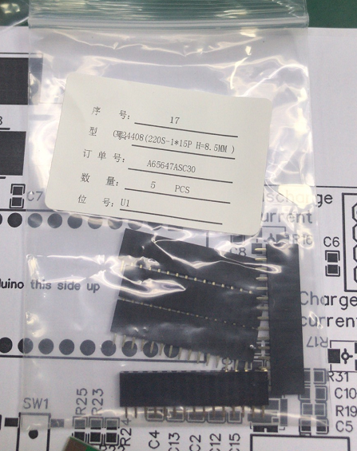 | Pls confirm the quantity of this parts? 1 designator but 2 quantity. | yes because the one drop in chip with pins has two rows of pins
18 | CN | Battery In | XT60PW-F | P3 | 1.00
26 | C124415 | MicroSDcard | femal header | P2 | 1.00
28 | C225501 | Pantalla Oled 128x32 Arduino | femal header | U4 | 1.00
29 | C124414 | Rotary Encoder module | femal header | KY-1 | 1.00 |  | Without designator, can you help to find it out, pls? | next time I wll move designator on the board
32 | C146690 | TMP36GT9Z | femal header | U6,U5 | 2.00 | 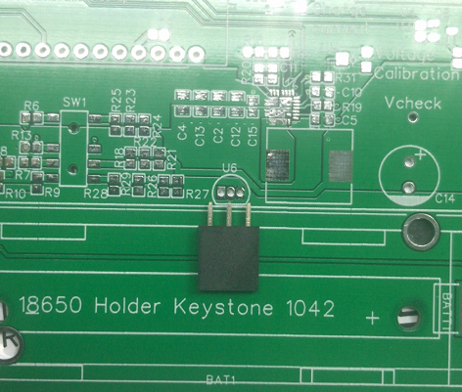 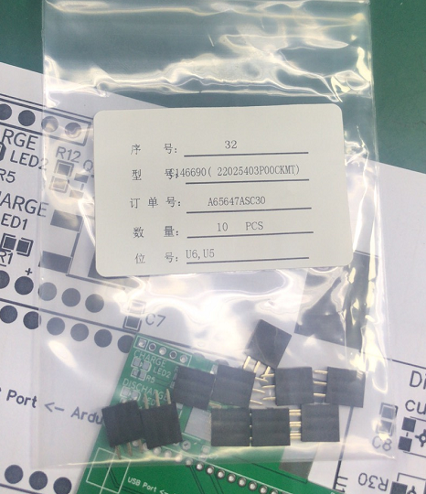 | The part number is not match with the pads. We purchased it according to your BOM. Pls confirm it. | teribly sorry for my mistake. Leave unpopulated, I will pay for parts.
33 | CN | XT60PW-M | XT60PW-M | P1 | 1.00
1 | RMCF0603JG100KCT-ND | 100K | R0603 | R15,R14 | 2.00
2 | CL21B104MACNNNC | 100nF | 0603' | C3,C11,C15,C7,C8,C9,C6 | 7.00 | 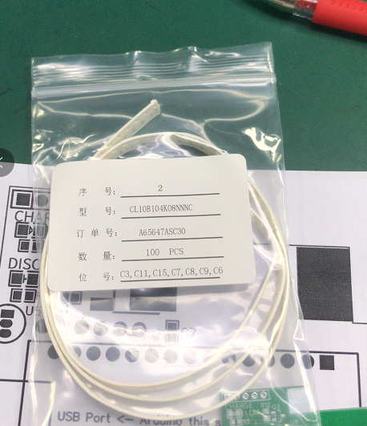 | Pls help to confirm the package and the part number. As we confirmed before, it is 0603. pls help to confirm the part number as picture shown. | thank you
3 | RMCF0603JT10K0TR-ND | 10K | 0603' | R10,R3,R6,R7,R8,R13,R1,R19,R11 | 9.00
4 | CL21A106KOQNNNG | 10uF | C0805 | C4,C12,C2,C13 | 4.00
5 | RK73B1JTTD102J | 1K | R0603 | R5,R4,R12 | 4.00 |  | Are there only 3 designators, correct? | correct
6 |  | 9.53K | R0603 | R31 | 0.00 |  | Do it need to assembly or not? | yes please
7 | CL31B102KBCNNNC | 1nF | C1206 | C1 | 1.00
8 | RK73B1JTTD1R0J | 1R | 0603' | R20 | 1.00
9 | 308-2501-2-ND | 3.3uH | IND-SMD_L11.5-W10.0_104CDMCCDS | L1 | 1.00
10 | RMCF0603JT30K0 | 30K | 0603' | R25,R28,R29,R9 | 4.00
11 | CL21A475KAQNNNG | 4.7uF | C0603 | C10,C5 | 2.00
13 | RMCF0603FG49K9 | 50K | 0603' | R18 | 1.00 |  | Pls confirm the value 49.9k can be used, correct? | correct
14 | RMCF0603FT825R | 825R | 0603' | R22,R23,R26 | 3.00
15 | RK73B1JTTD7R5J | 8R | 0603' | R21,R24,R27 | 3.00 |  | Pls confirm the value 7.5R can be used, correct? | correct
16 | C10681 | ACS712ELCTR-20A-T | SOIC-8 | U3 | 1.00
19 | BSS84-7-F | BSS84-7-F | SOT-23(SOT-23-3) | Q3 | 1.00
20 | LTST-S220GKT | Charging LED - Green | LED-0805 | LED2 | 1.00
21 | EAST2012RA1 | Discharging LED - Red | LED0805-R-RD | LED1 | 1.00
22 | TC33X-2-204E | 200k trim pot | Rectangular - 0.150" x 0.142" Face x 0.047" H (3.80mm x 3.60mm x 1.20mm) | R16, R30 | 2.00
23 | TC33X-2-102E | 1k trim pot | Rectangular - 0.150" x 0.142" Face x 0.047" H (3.80mm x 3.60mm x 1.20mm) | R17 | 1.00
24 | DMP2003UPS-13 | DMP2003UPS-13 | PowerDI5060-8 | Q3, Q4 | 2.00
25 | IRLR6225TRPBFCT-ND | IRLR6225TRPBF | DPAK | U8 | 1.00
27 | MMBT2222ATT1G | MMBT2222A | SOT-23-3 | Q8 | 1.00
30 | SIC431BED-T1-GE3 | SIC431BED-T1-GE3CT-ND | SIC431BED-T1-GE3 | U7 | 1.00
31 | C319002 | SS-1400S-L2 | SW-SMD_8P-P2.00_L3.5-W10.0 | SW1 | 1.00
34 | PCB | PCB |  |  | 1.00

